BRO-24AHBP57
GD APLUS TECH LTD
Exploded View

 | Product: | 2.0 Ton Multi-Position Air Handler
 | Factory Model: | NAAH-CF24SMR3-A01-SE15
 | Factory BOM:
 | Power Supply: | 208/230V/1/60Hz
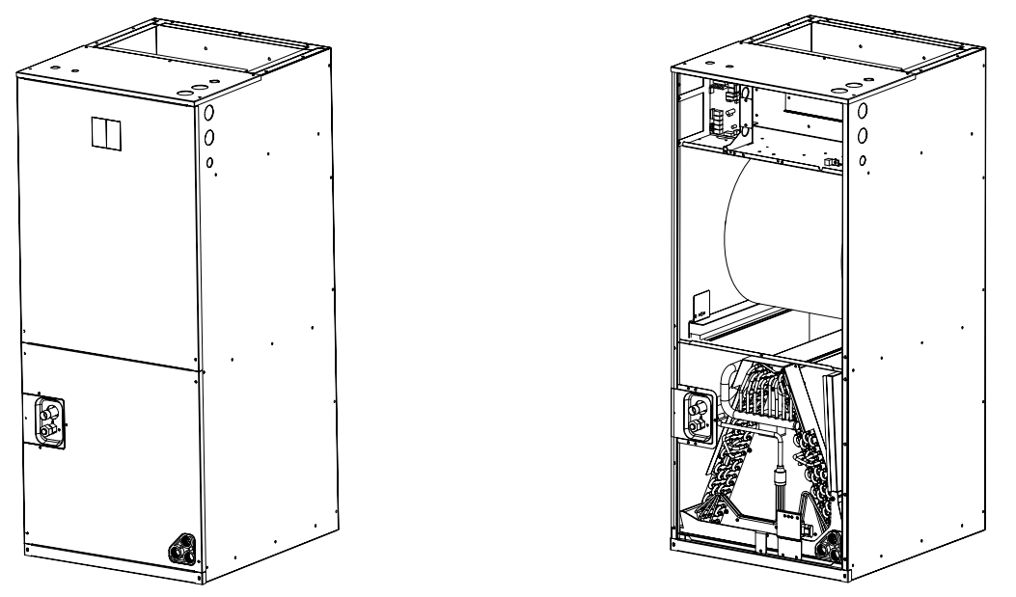
 |  |  | No. | 中文 | Part Name | Quantity | Price($) | BOM Code | Remark
 |  |  | 1 | 36K下-底盘贴棉组件(445C)-北美 | Rear panel assembly | 1 |  | A01222080445
 |  |  | 2 | 接水盘支撑板贴棉组件-配冷媒泄露传感器 | Water tray support plates - With refrigerant leakage sensor | 1 |  | A01222080450
 |  |  | 3 | 接水盘支撑板贴棉组件 | Water tray support plates | 1 |  | A01222080452
 |  |  | 4 | 接水盘支撑板贴棉组件-带弹片-左 | Water tray support plates -left | 1 |  | A01222080297
 |  |  | 5 | 接水盘支撑板贴棉组件-带弹片-右 | Water tray support plates -right | 1 |  | A01222080302
 |  |  | 6 | 冷媒传感器安装板组件 | Refrigerant sensor installation board component | 1 |  | A01222080277
 |  |  | 7 | 冷媒传感器(R32) | Refrigerant leakage sensor (R32) | 1 |  | A02301780003
 |  |  | 8 | 风轮固定板焊接组件 | Wind wheel fixed block | 1 |  | A01222080279
 |  |  | 9 | 36K下-风道右侧板 | Air duct left side sheet metal panel | 1 |  | A01222080049
 |  |  | 10 | 36K下-风道左侧板 | Air duct right side sheet metal panel | 1 |  | A01222080050
 |  |  | 11 | 电加热密封板 | Electric heating sealing plate | 2 |  | A01222080033
 |  |  | 12 | 36K下-风道前侧板 | Air duct front side sheet metal panel | 1 |  | A01222080065
 |  |  | 13 | 风轮安装块 | Wind wheel assembly component | 2 |  | A01222080025
 |  |  | 14 | 电机卡箍 | Motor fixing ring | 1 |  | A01222080028
 |  |  | 15 | 单轴室内电机 (铁壳)（PSC） | Indoor Motor | 1 |  | A02401380007
 |  |  | 16 | 下-电机固定梁组件 | Motor mounting bracket assembly | 3 |  | A01222080027
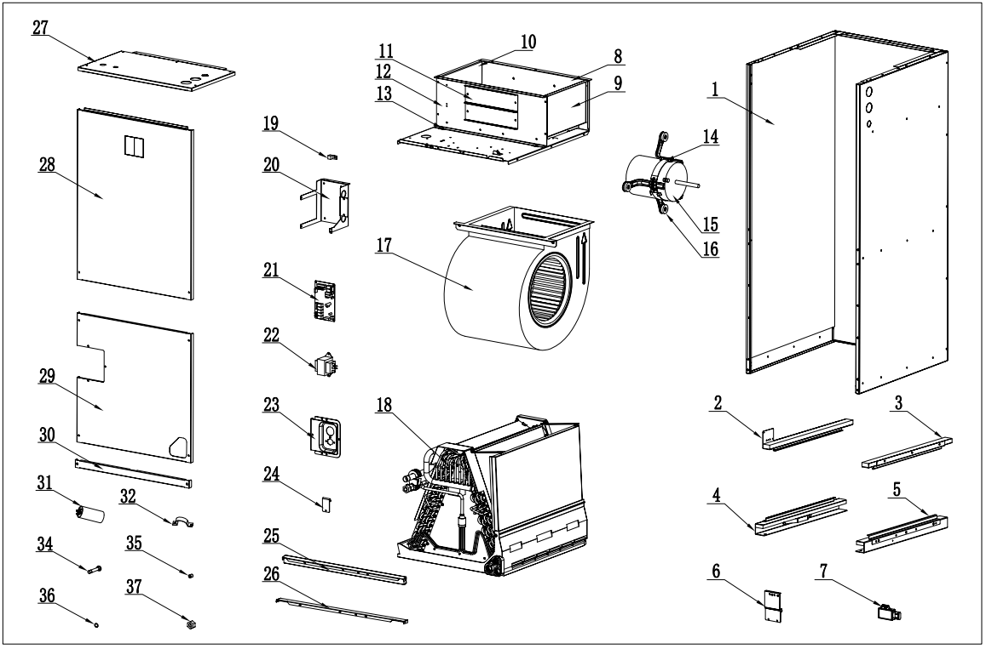
 |  |  | 17 | 风轮蜗壳 | Wind wheel housing assembly | 1 |  | A01222080029
 |  |  | 18 | 下回风美式风管机蒸发器(36K四排))-铜铝换热器 | Evaporator components-Copper&Aluminum | 1 |  | A01522080009
 |  |  |  | 下回风美式风管机蒸发器组件(36K四排)-铝换热器组件 | Evaporator components-All-Aluminum | 1 |  | A01522080032
 |  |  | 19 | 黄铜接线柱 | Brass terminal block | 1 |  | A01605880002
 |  |  | 20 | 电控安装板 | Installation sheet metal of electrical control board | 1 |  | A01222080267
 |  |  | 21 | 控制器（PSC专用） | Controller (for PSC) | 1 |  | A01322080013
 |  |  | 22 | 变压器MKT-09A0U03 | Transformers | 1 |  | A02311380003
 |  |  | 23 | 配管盖板贴绵组件-配可拆卸阀芯(445C) | Pipe cover plate component | 1 |  | A01222080447
 |  |  | 24 | 下-接水盘固定块 | Bottom-Water tray fixed block | 1 |  | A01222080020
 |  |  | 25 | 支撑条贴棉组件 | Support bar - equipped with refrigerant sensor | 1 |  | A01222080456
 |  |  | 26 | 支撑条--配冷媒传感器 | Support bar - equipped with refrigerant sensor | 1 |  | A01222080454
 |  |  | 27 | 电控盒盖板贴绵组件(445C)-北美 | Electrical control box cover plate assembly | 1 |  | A01222080446
 |  |  | 28 | 上侧板贴绵组件(445C)-北美 | Upper side sheet metal panel assembly | 1 |  | A01222080190
 |  |  | 29 | 下侧板贴绵组件(445C)-北美 | Lower side sheet metal panel assembly | 1 |  | A01222080189
 |  |  | 30 | 过滤网盖板(445C) | Filter cover plate | 1 |  | A01222080193
 |  |  | 31 | 电容/10UF±5% | Capacitor/10UF±5% | 1 |  | A02403380030
 |  |  | 32 | 电容夹Φ40 | Capacitor clamp-Φ40 | 1 |  | A01222080071
 |  |  | 33 | 阀芯 | Valve core | 1 |  |  | 图中未显示
 |  |  | 34 | 法兰焊接管组件 | Flange welded pipe assembly | 1 |  | A01603580001
 |  |  | 35 | 阀座组件 | Valve seat component | 1 |  | A01603580003
 |  |  | 36 | 密封圈 | Sealing ring | 1 |  | A01604080001
 |  |  | 37 | 螺帽 | Nut | 1 |  | A01604680006
 |  |  | 38 | 过滤网460×544×22 | Filter 460×544×22 | 1 |  | A02903280004 | 图中未显示
 |  |  | 39 | 下回风-电加热组件240V/5000W | Multi-Position heat kit 240V/5000W | 1 |  | A02410180014 | 选配
 |  |  | 40 | 下回风-电加热组件240V/7500W | Multi-Position heat kit 240V/7500W | 1 |  | A02410180015
 |  |  | 41 | 下回风-电加热组件240V/10000W | Multi-Position heat kit 240V/10000W | 1 |  | A02410180016

